Directions
Pi-Lines Skylines Activity
By: Eric Curts - www.ControlAltAchieve.com - @ericcurts
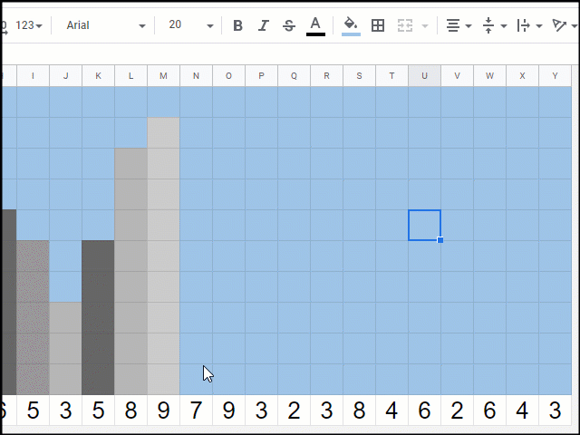
First, choose if you would like to make a daytime or nighttime version of the Pi-Line Skyline. The "Day" tab has a blue background (for a daytime sky) and the "Night" tab has a black background (for a nighttime sky).
The first 25 digits of Pi are listed across the bottom of the "Day" and "Night" tab, with one digit per cell.
You now want to create a vertical bar graph, where the height of each bar equals the value of each digit. For example, for the number "7" you would make a bar 7 cells tall.
To make a bar, click the cell above one of the Pi digits, hold down your mouse button, and then drag up to select the amount of cells you need. With the cells selected you can now color them in.
To color in the selected cells, click the "Fill Color" button (looks like a paint can) in the top toolbar, and choose any color you would like. Since you are making a city skyline of buildings you can use different colors of gray, or have fun with it and make rainbow buildings!
Repeat this process to make a bar graph for all of the digits.
Now that you have created your bar graph, you will have something that looks like a city skyline. You can now decorate the scene with emojis from the "Day Emojis" tab or the "Night Emojis" tab.
Click on the "Day Emojis" or "Night Emojis" tab to find the available emojis.
Click on the emoji you want and then copy it (click "Edit" then "Copy", or Ctrl+C, or right-click and "Copy")
Now go back to your bar graph tab, click the cell where you want to put the emoji, and then paste it in (click "Edit" then "Paste", or Ctrl-V, or right-click and "Paste").
Repeat this process to decorate your scene however you want.

For more detailed directions, see the blog post linked below:
https://www.controlaltachieve.com/2019/03/pi-lines.html

